
 |  |  |  | CODE: |  |  | pl1216 ac SN from 00E200
DESCRIPTION: |  | TANK |  | TANK | RESERVOIR | TANQUE | SERBATOIO
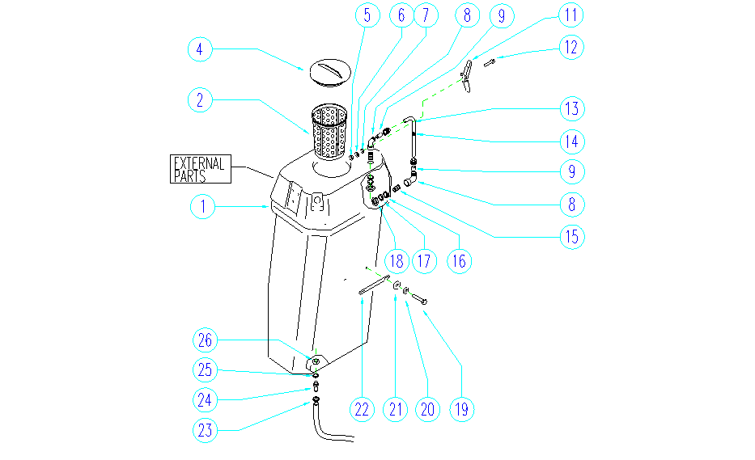

REF. | CODE | DESCRIPTION | QT
1 | SL03417 | GASKET | 1
2 | GR18352 | FILTER | 1
4 | E86518 | Cover | 1
5 | E86749 | Nut M5 UNI 5588 | 6
6 | E86448 | AS20 Washer | 6
7 | E87876 | Gasket | 6
8 | SL18392 | UNION / CONNECTOR | 2
9 | SL19323 | HOSE | 2
11 | E86765 | Lid Clamp WS36T | 2
12 | SL04244 | SCREW | 6
13 | SL19324 | HOSE | 1
14 | SL14347 | SPHERE / BALL | 1
15 | SL18391 | NIPPLE | 2
16 | E86942 | Rubber Gasket | 2
17 | SL06089 | WASHER | 2
18 | SL18093 | NUT | 2
19 | SL04055 | SCREW | 2
20 | E86448 | AS20 Washer | 2
21 | SL07394 | BUSHING / BUSH | 2
22 | SL17529 | HANDLE | 1
23 | E86546 | clamp WS36 | 1
24 | SL07518 | UNION / CONNECTOR | 1
25 | E86942 | Rubber Gasket | 1
26 | SL18093 | NUT | 6

